INSTRUCTIONS
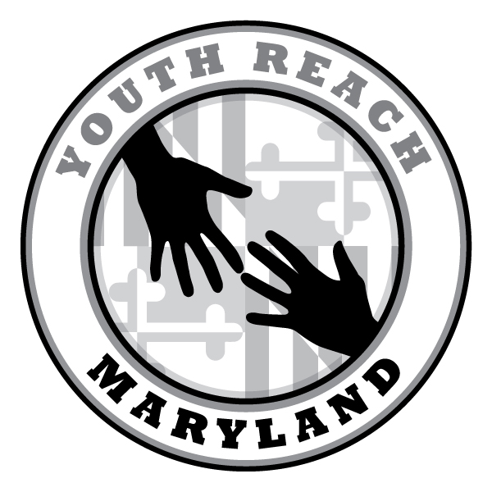
To have graphs on the following pages represent your local data, plug in your numbers in the cells highlighted in yellow with the corresponding numbers from your CoC's data. The graphs with automatically change based on the numbers you enter. You can then click on any graph and copy and paste it into other documents or materials as needed.

Demographics
Age
Race/Ethnicity
Age | Frequency
17 and Under | 34
18 to 24 Years Old | 247
Race
African American | 203
White | 40
Hispanic | 4
Asian/Pacific Islander | 0
Native American | 3
Multiracial | 21
Other | 7
Gender
Female | 111
Male | 154
Transgender (F to M) | 3
Gender
Sexual Orientation
Transgender (M to F) | 9
Other | 1
Prefer Not to Answer | 1
Sexual Orientation
Straight | 195
Gay or Lesbian | 45
Bi(Pan)sexual | 31
Other | 3
Prefer Not to Answer | 3

Education
Highest Completed Grade
School Enrollment
Highest Completed Grade | Frequency | Percent
No Education | 4
8th Grade or Less | 14
9-11th Grade | 117
High School | 82
GED | 37
Some College | 21
College Degree | 2
Post-Secondary Vocational Training | 1
 |  | In School | Not In School
Currently in School |  | 29% | 71%

LifeExperiences
Pregnant & Parenting
Foster Care Experience
 | Frequency | Percent
Have Children |  | 32%
Currently Pregnant |  | 11%
Not Pregnant or Parenting |  | 57%

Foster Care Experience |  | 25%
No Foster Care Experience |  | 75%
Age left foster care
0-5 | 8
6-10 | 10
11-15 | 13
16-18 | 19
Over 18 | 14

Ever Lived in a Group Home
Age Left Foster Care (of those who experienced foster care)
Lived in group home |  | 32%
Never Lived in group home |  | 68%
Ever stayed in juvenile detention |  | 33%
Never stayed in juvenile detention |  | 67%
Ever stayed in Jail |  | 39%
Never stayed in jail |  | 61%

Ever Stayed in Jail
Ever Stayed in Juvenile Detention

LivingSituation
Where Youth Stayed Last Night
Where you stayed the night before survey | Frequency
Staying with immediate family | 9
Staying with foster parents | 2
At my own apartment | 2
Staying with other family | 21
Staying with friend | 83
Staying with stranger | 21
At a shelter/motel | 55
In a transitional housing program | 28
In a group home | 2
Outside in the park, on the street, in car, etc. | 25
Inside an abandoned building or squatting | 20
In a treatment or medical facility | 5
In a jail or juvenile detention | 3
In a college dorm | 1
Other | 4
How long can you stay where you stayed last night
As long as I want/indefinitely | 19
For the next week or two | 56
For the next month | 21
How Long Youth Can Stay Where They Stayed Last Night
More than an month, but not indefinitely | 45
I have already left | 52
I don't know | 88
How long have you been staying at the place you stayed last night
1-6 days | 114
At least 1 week, but less than 2 weeks | 38
At least 2 weeks, but less than 1 month | 42
1-6 months | 55
More than 6 months | 29

How Long Youth Have Been Staying at the Place They Stayed Last Night

HousingHistory
Number of Different Places Youth Stayed in the Last 2 Months
How many different places have you spent the night in the past 2 months? | Frequency
2-3 places | 156
4-6 places | 47
7 or more | 28
stayed in the same place | 46
All the reported places where youth stayed in the last two months*
At the house or apartment of parent/guardian | 34
At the house or apartment of foster parents | 0
At their own house/apartment | 3
At the house or apartment of another family member | 49
At the house or apartment of a friend | 139
At the house or apartment of a stranger | 73
At a shelter/motel | 103
In a transitional housing program | 25
In a group home | 5
Outside in a park, on the street, in a tent, transit station, car, etc. | 71
Where Youth Have Stayed in the Last 2 Months (youth selected all that applied)
Inside an abandoned building, squat, porch, basement, hallway, etc. | 62
In a treatment or medical facility (such as a hospital or detox facility) | 14
In a jail or juvenile detention facility | 29
In a college dorm | 4
Other | 2
*More than one can be selected

GuardianRelationship
Reasons Youth Are Not Living with their Parent/Guardian (youth selected all that applied)
Reasons for not living with parent or guardian | Frequency
Fighting | 95
Wanted to leave | 80
My use of drugs/alcohol | 59
Told to leave after 18 | 29
Did not feel safe | 27
Abuse | 32
Not enough room | 29
Told to leave before 18 | 11
Parents homelessness | 12
Parents drug or alcohol use | 16
Release from jail and could not return | 10
Youth sexual orientation | 42
Parents sick/died | 18
Left foster care and could not return | 13
Youth pregnancy or children | 6
Immigration related | 0
Currently in jail/detention | 0
Eviction | 0
Parents unable to provide care | 7
Other reason | 8
I am currently living with parent | 5

ServicesUse
Supports Youth Attempted to Access in the Last Year (youth selected all that applied)
Attempted to get help in the past year | Frequency
Food Stamps/SNAP | 191
Short-term housing | 49
Shelters | 74
Health care services | 60
Mental health services | 64
Job training | 65
Long-term housing | 76
Educational support | 43
Government cash assistance | 46
Food banks or free meals | 67
Family support | 24
Substance use treatment | 28
Child care | 23
Police officers | 3
Drop-in or Teen Center | 41
LGBTQ support services | 32
Transportation assistance | 51
Legal help | 26
Other | 0
I have not tried to get help | 43
Reasons for not getting help
Reasons Youth Weren't Able to get Help They Needed (youth selected all that applied)
Transportation | 149
Wrong door | 40
Said they could not help | 39
Language barrier | 3
Waiting list | 66
Paperwork | 15
Lack Documents | 74
Didn't hear back | 52
Didn't know where to go | 60
Didn't qualify | 53
Didn't feel comfortable | 33
Didn't follow through | 44
Didn't like how I was treated | 26
Other | 11
I received all the help I needed | 32
Most helpful services
Short-term housing | 53
Long-term housing | 214
Educational support | 68
Supports that would be Helpful (youth selected all that applied)
Job training | 117
Health care services | 78
Family support | 39
Child care | 27
SNAP, food banks, or free meals | 131
Government cash assistance | 46
LGBTQ support services | 41
Mental health services | 59
Substance use treatment | 41
Transportation assistance | 95
Legal help | 34
Other | 2

Income
Sources of Income
Reported income sources | Frequency
Full time job | 15
Part time job | 61
Under the table work | 45
Self-employment | 26
Cash assistance | 18
Social Security Income | 10
Unemployment benefits | 2
SNAP | 74
Selling Drugs | 76
Sex work | 41
Panhandling | 71
Child support | 2
Family and friends | 79
Other | 9
No income | 31

